Example P. 416-417
Year after 1979 | Price of Gas (cents/L)
0 | 21.98 | 56
1 | 26.18 | 56
2 | 35.63 | 56
3 | 43.26 | 56
4 | 45.92 | 56
7 | 45.78 | 56
8 | 47.95 | 56
9 | 47.53 | 56
12 | 57.05 | 56
14 | 54.18 | 56
17 | 58.52 | 56
20 | 59.43 | 56
22 | 70.56 | 56
23 | 70.00 | 56
24 | 74.48 | 56
25 | 82.32 | 56
26 | 92.82 | 56
27 | 97.86 | 56
28 | 102.27 | 56
29 | 115.29 | 56

p. 421 Q8
8) A 225 L hot-water tank sprung a leak at t = 0 minutes. The remaining volume was measured every 5 minutes for the first 40 minutes.
Time (s) | Volume (L)
0 | 225
5 | 188
10 | 155
15 | 124
20 | 100
25 | 72
30 | 55
35 | 36
40 | 23

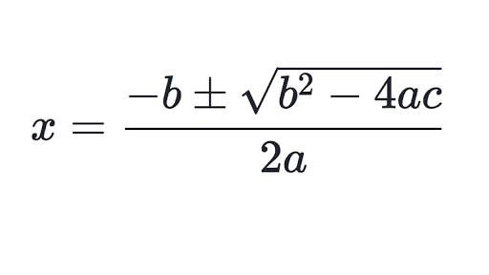
a) Plot as a scatterplot. Describe the trend (what does the graph look like?)
b) Determine the equation of quadratic regression function that models that data.
c) Determine when the tank was half full.
d) Determine when the tank was empty.
HINT: You may need to use the equatic formula to help you!!

